Sheet1
Contract Title | Type | Supplier | Hardware Brand | Operating System / Software | Annual Average Spend | Contract Length | Expiry Date | Review Date | M/Y Hardware Purchased | Number Physical Servers | Number Virtual Servers | Brief Contract Description
Breakfix | All | ComputaCenter | HPE, Oracle, IBM, CISCO, EMC, F5 | Solaris OS | £350k | 4 Years | Dec-22 | Jun-22 | Various | 371 | 0 | Support and Maintenance for Hardware and Associated Software, tenders currently out to market.
VMWare Support and Maintenance | Virtualisation | ComputaCenter | VMWare | VMWare ESXi | £84k | 1 Year | Oct-23 | Jun-23 | N/A | 0 | 1713 | Licensing, Support and Maintenance of VMWare Estate
Microsoft Enterprise Agreement | All | Microsoft (via SoftCat) | Microsoft | Windows Server | £1.6m | 3 Years | Dec-24 | Feb-24 | N/A | 0 | 0 | Enterprise Agreement for Microsoft Licensing, Sofcat LSP
Pure Storage | SAN | Pure | Pure | Included | £80k | 3 Years | Various | Various | Various | 0 | 0 | Support and Maintenance for Pure Hardware, 3 separate terms

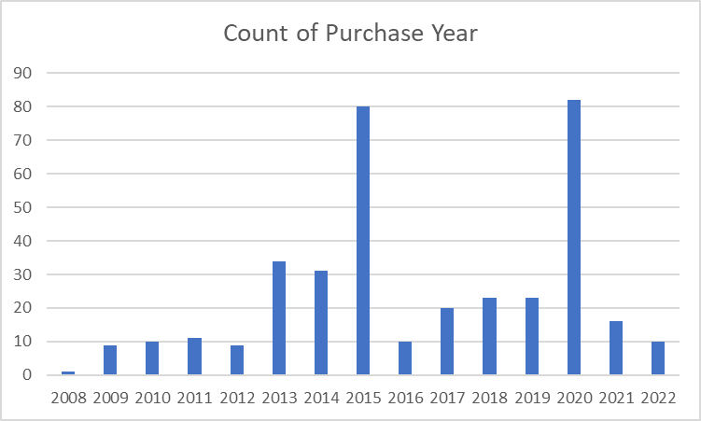
Physical Servers |  |  |  | Pure Storage
 |  |  |  |  |  | Renewal Year
 |  |  |  |  | Purchase Year | 2021/2022 | 2022/2023 | 2023/2024 | 2024/2025 | 2025/2026 | 2026/2027
 |  |  |  | PureAP01 (ESX) | 2014/2015 |  |  | X |  |  | X
 |  |  |  | PureAP02 (ESX) | 2015/2016 | X |  |  | X
 |  |  |  | PureAP03 (GDMS) | 2017/2018 |  |  | X |  |  | X
 |  |  |  | PureAP04 (GDMS) | 2017/2018 |  |  | X |  |  | X
 |  |  |  | PureAP05 (ESX) | 2016/2017 |  | X |  |  | X
 |  |  |  | PureAP06 (GDMS) | 2017/2018 |  |  | X |  |  | X

